1. Title Page
Grocery Basket Analysis

Project Name: Project Brief: Instacart Grocery Basket Analysis
Date: 10/31/2023
Analyst Name: Kamron West

Contents:
Population Flow
Consistency checks
Wrangling steps
Column derivations
Visualizations
Conclusions and Recommendations

Citation:
“The Instacart Online Grocery Shopping Dataset 2017”, Accessed from www.instacart.com/datasets/grocery-shopping-2017 via Kaggle on .

2. Population Flow
Population flow

Orders_products_combined
Orders_products_merged
Orders_products_all

Total:32404859
Total: 32434489
Total:32404859

3. Consistency checks
 |  |  |  | Title page
Consistency checks

Dataset | Missing values | Missing values treatment | Duplicates
orders | 206209 NaN values. | Even though there is a significant amount of cells that have no numbers (NaN), 206209 missing values found under days_since_last_order, I see a possible relation between that and the number 1 unde | No duplicats found
products | 16 missing values | Deleted the missing values | 5 duplicates found in the df_products dataset. I deleted them with the ".drop_duplicates" option.
orders_products_prior | No missing values | No action needed | No duplicates found
customers | No missing values. However, there are 11259 first_name as NaN. I did not get rid of them. Names are missing but not other information. | No action needed | No duplicates found

4. Wrangling steps
 |  |  |  | Title page
Wrangling steps

Columns dropped | Columns renamed | Columns' type changed | Comment/Reason
eval_set |  |  | Not needed
 |  | user_id | Changed it to a string format, not needed as a numeric value - the describe results would not make sense
 | order_dow to "orders_day_of_week" |  | Easier to understand and less confusing
 | 'days_since_prior_order' to 'days_since_last_order' |  | Easier to understand and less confusing
_merge |  |  | Not needed
 | Unnamed: 0' to 'department_id' |  | Creating labels based on "department_id"
 | First Name' to 'first_name' |  | Looks better, is easier to understand, and more unified with the rest of the column names.
 | Surnam' to 'last_name' |  | Looks better, is easier to understand, and more unified with the rest of the column names.
 | Gender' to 'gender' |  | Looks better, is easier to understand, and more unified with the rest of the column names.
 | STATE' to 'state' |  | Looks better, is easier to understand, and more unified with the rest of the column names.
 | Age' to 'age' |  | Looks better, is easier to understand, and more unified with the rest of the column names.
 | fam_status' to 'marital_status' |  | Looks better, is easier to understand, and more unified with the rest of the column names.
first_name |  |  | Security Implications - PII
last_name |  |  | Security Implications - PII
Unnamed: 0 |  |  | Not needed

5. Column derivations
 |  |  |  | Title page

Column derivations and aggregations

Dataset | New column | Column/s it was derived from | Conditions
merged_orders_products.pkl | price_range_loc' | 'prices' | df_full.loc[df_full['prices'] > 15, 'price_range_loc'] = 'High-range product', df_full.loc[(df_full['prices'] <= 15) & (df_full['prices'] > 5), 'price_range_loc'] = 'Mid-range product', df_full.loc[df_full['prices'] <= 5, 'price_range_loc'] = 'Low-range product'
merged_orders_products.pkl | 'busiest_day' | orders_day_of_week' | result = [] for value in df_full["orders_day_of_week"]: if value == 0: result.append("Busiest day") elif value == 4: result.append("Least busy") else: result.append("Regularly busy")
merged_orders_products.pkl | 'busiest_days' | 'orders_day_of_week' | Here we did grouping instead of individual days, so the regular busy and busiest days are nearly the same now. result2 = [] for value in df_full["orders_day_of_week"]: if value == 0 or value == 1: result2.append("Busiest days") elif value == 4 or value == 3: result2.append("Slowest days") else: result2.append("Regularly busy")
merged_orders_products.pkl | busiest_period_of_day' | 'order_hour_of_day' | hours = [] for value in df_full["order_hour_of_day"]: if value in [10, 11, 14, 15, 13, 12, 16, 9]: hours.append("Most orders") elif value in [23, 6, 0, 1, 5, 2, 4, 3]: hours.append("Fewest orders") else: hours.append("Average orders")
ords_prods_merge - 'full_set.pkl' | max_order' | 'user_id' and 'order_number' | df.groupby('department_id').agg({'order_number': ['mean', 'min', 'max']}) ords_prods_merge['max_order'] = ords_prods_merge.groupby(['user_id']) ['order_number'].transform(np.max)
ords_prods_merge - 'full_set.pkl' | 'loyalty_flag' | 'max_order' | ords_prods_merge.loc[ords_prods_merge['max_order'] > 40, 'loyalty_flag'] = 'Loyal customer', ords_prods_merge.loc[(ords_prods_merge['max_order'] <= 40) & (ords_prods_merge['max_order'] > 10), 'loyalty_flag'] = 'Regular customer', ords_prods_merge.loc[ords_prods_merge['max_order'] <= 10, 'loyalty_flag'] = 'New customer'
ords_prods_merge - 'full_set.pkl' | 'avg_price' | user_id' and 'prices' | # Avg_price column created using transfrom() function ords_prods_merge['avg_price'] = ords_prods_merge.groupby(['user_id'])['prices'].transform(np.mean)
 | 'spending_flag' | 'avg_price' | ords_prods_merge.loc[ords_prods_merge['avg_price'] < 10, 'spending_flag'] = 'Low spender' ords_prods_merge.loc[ords_prods_merge['avg_price'] >= 10, 'spending_flag'] = 'High spender'
ords_prods_merge - 'full_set.pkl' | customer_order_frequency' | user_id' and 'days_since_last_order' | ords_prods_merge['customer_order_frequency'] = ords_prods_merge.groupby(['user_id'])['days_since_last_order'].transform(np.median)
ords_prods_merge - 'full_set.pkl' | 'order_frequency_flag' | 'customer_order_frequency' | ords_prods_merge.loc[ords_prods_merge['customer_order_frequency'] > 20, 'order_frequency_flag'] = 'Non-frequent customer' ords_prods_merge.loc[ords_prods_merge['customer_order_frequency'] > 10 & (ords_prods_merge['customer_order_frequency']<=20), 'order_frequency_flag'] = 'Regular customer' ords_prods_merge.loc[ords_prods_merge['customer_order_frequency'] <= 10, 'order_frequency_flag'] = 'Frequent customer'
merged_final_df.pkl' | “Region” | “State” | First step: creating the regions - Example: Northeast = ['Maine', 'New Hampshire', 'Vermont', 'Massachusetts', 'Rhode Island', 'Connecticut', 'New York', 'Pennsylvania', 'New Jersey']. Second step - Creating the new column with the regions created: df.loc[df['state'].isin(Northeast), 'region'] = 'Northeast', df.loc[df['state'].isin(Midwest), 'region'] = 'Midwest' df.loc[df['state'].isin(South), 'region'] = 'South', df.loc[df['state'].isin(West), 'region'] = 'West'
'merged_final_df.pkl' | activity_flag' - Creating a subset of low activity and high activity customers | 'max_order' | df.loc[df['max_order'] < 5, 'activity_flag'] = 'low activity' df.loc[df['max_order'] >= 5, 'activity_flag'] = 'active customer'
df_active_cutomers.pkl' | 'age_group' | 'age' | df_active_customers.loc[(df_active_customers['age'] >= 18) & (df_active_customers['age'] <= 29), 'age_group'] = '18-29 years old' df_active_customers.loc[(df_active_customers['age'] >= 30) & (df_active_customers['age'] <= 44), 'age_group'] = '30-44 years old' df_active_customers.loc[(df_active_customers['age'] >= 45) & (df_active_customers['age'] <= 59), 'age_group'] = '45-59 years old' df_active_customers.loc[(df_active_customers['age'] >= 60) & (df_active_customers['age'] <= 81), 'age_group'] = '60-81 years old'
departments_wrangled.csv' | income_group' | 'income' | df_active_customers.loc[df_active_customers['income'] <= 67292, 'income_group'] = 'Low Income' df_active_customers.loc[(df_active_customers['income'] > 67292) & (df_active_customers['income'] <= 128102), 'income_group'] = 'Middle Income' df_active_customers.loc[df_active_customers['income'] > 128102, 'income_group'] = 'High Income'
df_end_final.pkl' | 'dependants_group' | 'n_dependants' | df_end.loc[df_end['n_dependants'] == 0, 'dependants_group'] = 'No dependants' df_end.loc[df_end['n_dependants'] > 0, 'dependants_group'] = 'Has dependants'
'df_end_final.pkl' | 'family_profile' | marital_status', 'dependants_group', 'gender' | I did use the .loc funtion. For example: df_end.loc[(df_end['marital_status'] == 'married') & (df_end['dependants_group'] == 'No dependants') & (df_end['gender'] == 'Female'), 'family_profile'] = 'married female, no children'. I did this for each group created: Married male & female with no children, Married male & female with children, Single male & female with no children, Single male & female with children.
'df_end_final.pkl' | 'week_days_orders' | 'orders_day_of_week' | df['week_days_orders'] = df['orders_day_of_week'].map({0: 'Saturday', 1: 'Sunday', 2: 'Monday', 3: 'Tuesday', 4: 'Wednesday', 5: 'Thursday', 6: 'Friday'})

6. Visualizations
 |  |  |  |  |  |  |  |  | Title page

Visualisations

In this tab, to aid in understanding the dataset structure, I created appropriate visualizations to show the distribution of profiles.
 | In the next one, I will answer key questions supported by visuals based on the collected and cleaned data.

 |  |  |  | Distribution of Family Profiles

 |  |  |  |  |  |  | Basic Family Profile Statistics:

 |  |  |  |  | When it comes to family profiles - marital status and dependents, the majority of the orders are done from married couples that have children.

 |  |  | Comparing customers profiles with regions and departments

 |  |  |  |  | Family Profile Distribution by Region

 |  | The Instacart officers are keen on understanding customer behavior across different geographic areas.
 |  | To achieve this, I have created a "Region" column based on the "State" information in the customers' dataset.

Family Profile Distribution by Department |  |  |  |  |  |  | Income (income group) distribution statistics.

Income (income_group) By Region |  |  |  |  |  | Income Group Distribution by Department

 |  |  |  |  | Distribution of Age Groups

 | Age Group by Region |  |  |  |  |  |  | Age Group by Department

 |  |  |  |  | Most Requested Departments

 |  |  | Departments by Region

7. Conclusions and Recommendati
 |  |  |  |  |  |  |  | Title page

Conclusions and Recommendations

The sales team needs to know what are the busiest days of the week and hours of the day (days and times with the most orders) to schedule ads at appropriate times.

 |  |  |  | Busiest days of the week

 |  |  |  |  |  |  | The peak activity begins Friday and ends on Monday, and the busiest order hours are between 10 am and 3 pm. For better ad scheduling, advertise on mid-week days before 10 a.m. or after 3 p.m. This can engagement during quieter times.

They also want to know whether there are particular times of the day when people spend the most money, as this might inform the type of products they advertise at these times.

 |  |  |  |  | Busiest hours of the day
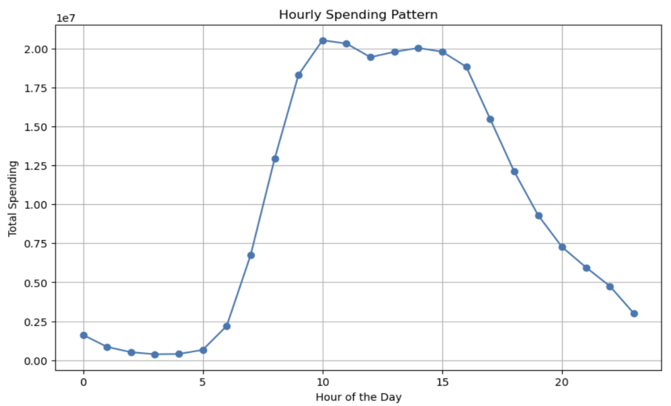

 |  |  | Customers spend more between 10 am and 3 pm.
 |  |  | I recommend advertising during these bustling hours.
 |  |  | Target relevant ads to the customers of the more active age groups during peak hours; this can promote exposure and boost sales.

Instacart has a lot of products with different price tags. Marketing and sales want to use simpler price range groupings to help direct their efforts.

 |  |  |  |  | Price Range Groupings

 |  |  |  |  |  | Mid-range goods are the majority of purchases. The middle-income demographic expresses the highest statistics. To capitalize, only allow shipping-delivery for high-range products, and carry more mid-range products in store.

 |  |  |  | Price Range & Family Profile Distribution

 |  |  |  |  |  |  | The majority of orders are from married homes, particularly those with children. There is no way to tell how many children these families have, but this obviously corresponds with the amount of products sold. Try advertising more family based mid-range products.

Are there certain types of products that are more popular than others? The marketing and sales teams want to know which departments have the highest frequency of product orders.

 |  |  |  | Departments Frequency

 |  |  |  |  |  |  | Fresh foods, snacks, and beverages are the highest frequency of product orders. Try moving these product sections to the back of the store to upsell low selling products. Make sure health is accentuated so customers feel more comfortable choosing your produce than competitors.

The marketing and sales teams are particularly interested in the different types of customers in their system and how their ordering behaviors differ.

 | User Distribution - Brand Loyalty |  |  |  |  | Ordering Habits Based on Customer’s Loyalty Status

The distribution trends as expected from regulars, to loyal, and new customers.
There should be a membership program to reward regulars and loyal shoppers. Maybe implement another program for price-matching.
This can encourage new loyal and regular customers.

 |  |  |  | Ordering Habits Based On a Customer’s Region

 |  | Connection between age and family status in terms of ordering habits

 |  |  |  |  |  | Most sales are from older shoppers, so there should be more discounts for people over 65, stronger military discounts, and customer service that offers help unloading. Alternatively, market more senior products and consider expanding merchandise more oriented to the benefit of this demographic.

 |  | Exploring whether there is a connection between age and spending power (income)

 |  |  |  |  |  | Based on this figure, try establishing a testominial ad with popular social media influencers or trending topics to balance statistics between the younger demographic with the older demographic. Consider promotional deals of referral bonuses, since most parents and grandparents will refer their children.

